T4
Table 4 - Complementary information on common projects and on revenues from Union assistance programmes allocated to the charging zone

Norway

Amounts received
Project reference (as per Grant Agreement) | Project title | Value of funded project in '000 Euro |  | Amounts granted (as per GA) in '000 Euro |  | Common project y/n | Actual amounts received (charging zone) in '000 Euro
 |  | Total | For the charging zone | Total | For the charging zone |  | 2014 | 2015 | 2016 | 2017 | 2018 | 2019 | 2020 | 2021 | 2022 | 2023 | 2024
INEA/CEF/M2104/1037259 |  | 0 | 0 | 4,500 |  | Y |  | 1,358 | 518 | 1,692 |  |  | 0

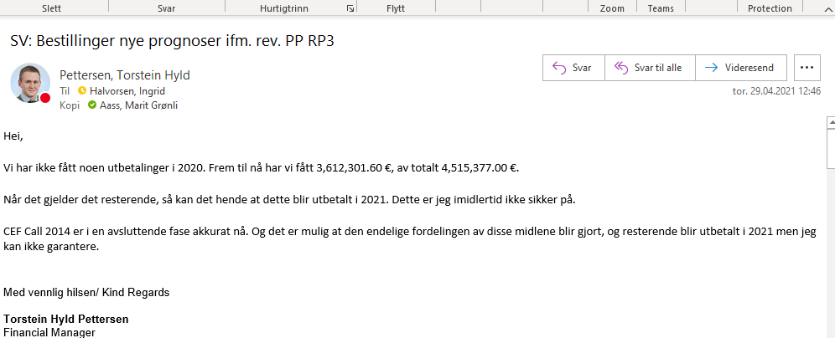
Total in '000 Euro |  | - | 0 | 4,500 | 0 |  | 0 | 1,358 | 518 | 1,692 | 0 | 0 | 0 | 0 | 0 | 0 | 0
Total in '000 national currency |  | 0 | 0 | 0 | 0 | 0 | 0 | 0 | 0 | 0 | 0

Amounts reimbursed to airspace users through other revenues
Project reference (as per Grant Agreement) | Project title | Amounts retained in respect of aministrative costs for the charging zone in '000 Euro |  | Total to be reimbursed for the charging zone in '000 Euro |  | Amounts reimbursed to users (charging zone) in '000 national currency
 |  |  |  |  |  | 2014 | 2015 | 2016 | 2017 | 2018 | 2019 | 2020 | 2021 | 2022 | 2023 | 2024 | After RP
INEA/CEF/M2104/1037259 |  | 0 |  | 4,500 |  | 0 | 0 | 0 | 1,638 | 6,447 | 6,447 | 6,447 | 6,447 | 6,447

Total in '000 Euro |  | 0 |  | 4,500 |  | 0 | 0 | 0 | 1,638 | 6,447 | 6,447 | 6,447 | 6,447 | 6,447 | 0 | 0 | 0
Total in '000 national currency |  | 0 |  | 0 |  | 0 | 0 | 0 | 0 | 0 | 0 | 0

